Summary page
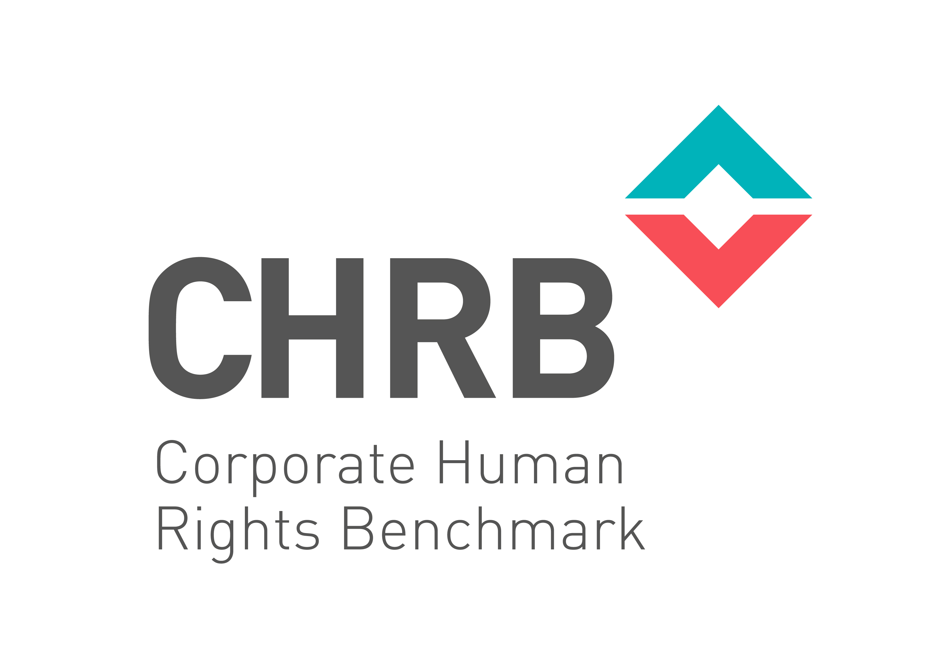
CHRB 2018 Methodology For the Agricultural Products, Apparel and Extractives Industries Last Updated 8th January 2018

This document presents the CHRB 2018 Methodology, for the Agricultural Products, Apparel and Extractives Industries. It is a revised version of the 2016 Pilot Methodology and incorporates changes based on: - The 2017 Methodology Addendum - Changes suggested by the CHRB Methodology Committee and validated by the 2017 consultations - Further changes based on feedback received during the 2017 consultations (specific changes in red in the 2nd tab) More information on the 2017 consultations and the CHRB Methodology Committee's decisions in response to this feedback will be available in the Expanatory Note (Summary and Justification of Changes) released alongside this spreadsheet. This spreadsheet is broken into the following tabs: 2nd Tab - "Measurement Themes A-D" lists the CHRB indicators and requirements in the following measurement themes: - A. Governance and Policy Commitments - B. Embedding respect and Human Rights Due Diligence - C. Remedies and Grievance Mechanisms - D. Performance: Company Human Rights Practices 3rd Tab - "E. Serious Allegations" lists the CHRB indicators and requirements in relation to Thee E - Serious Allegations. 4th Tab - "F. Transparency" lists the CHRB indicators and requirements in relation to Theme F - Transparency. 5th Tab - "Scoring" describes the CHRB Scoring rules. Any questions concerning the CHRB Methodology should be sent to info@corporatebenchmark.org (Subject 2018 Methodology)

